END PROFILE
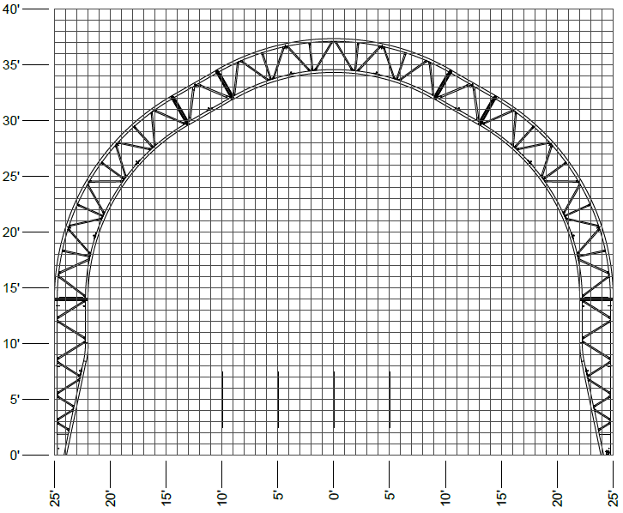
 |  |  |  | OBJECT DOCK

4 x 6
vent kit
4 x 6
vent kit
3x7
man door
4 x 6
vent kit
3x7
man door
3x7
man door

4 x 6
vent kit

16' high x 16' wide door
16' high x 16' wide door
16' high x 16' wide door

16' high x 16' wide door

3x7
man door

50' Paramount (PHP)
 | Date: | 6-May-16 | PO#
 |  |  | Dealer Name
 | Rafter Spacing |  | Customer
 | Notes:

